FHI Offer

Product Code | Barcode | Description | RRP £ | QTY | Image
FHIHEAU09000386 | 8999280000386 | Fhi Heat Elite Professional Series 2100L Hair Dryer Long Barrel | £149.00 | 964
FHIHEAU09003424 | 8999280003424 | Fhi Heat Platform Iron 1 1/4Inch 32Mm | £99.00 | 347 | 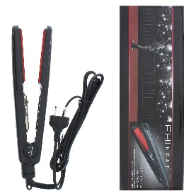
FHIHEAU09004414 | 8999280004414 | Fhi Heat Platform Iron 7/10Inch 18Mm | £149.00 | 201 | 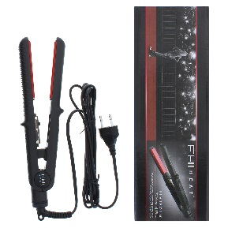
FHIHEAU09004896 | 8999280004896 | Fhi Heat Elite Professional Ceramicstyling Iron 1Inch 26Mm | £74.00 | 1020 | 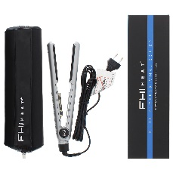
FHIHEAU09005022 | 8999280005022 | Fhi Heat Elite Professional Series 2100S Hair Dryer | £129.00 | 1154
FHIHEAU09006012 | 8999280006012 | Fhi Heat Platform Domed Styling Iron | £74.00 | 48 | 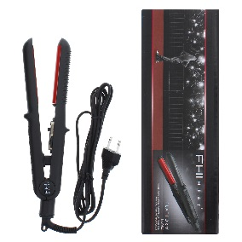
FHIHEAU09007798 | 8999280007798 | Fhi Heat Nano Weight Pro 1900 Turbohair Dryer | £74.00 | 959
FHIHEAU09009778 | 8999280009778 | Fhi Heat Nanosalon Pro 2000 Hair Hryer | £129.00 | 1160
FHIHEAU09020308 | 8590920020308 | Fhi Heat Burj Al Arab Professional Salon Hair Dryer Limited Edition | £74.00 | 157
FHIHEAU09ROLLRG | 848618000155 | Fhi Heat Runway 4 X Large Rollers Rapid Heat Rollers | £12.00 | 558
FHIHEAU09ROLMED |  | Fhi Heat Runway 4 X Medium Rollers Rapid Heat Rollers | £12.00 | 449
FHIHEAU09ROLSML |  | Fhi Heat Runway 4 X Small Rollers Rapid Heat Rollers | £12.00 | 373

